Data CBS
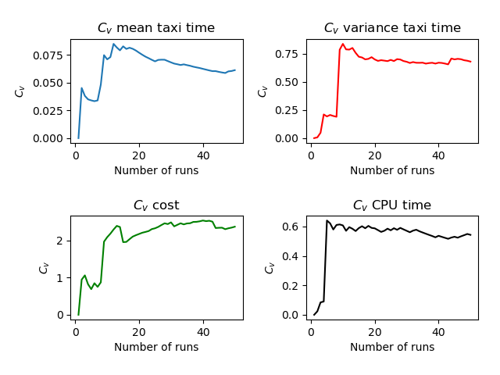
Run | Number of Aircraft | Maximum Spawn Time | Mean Taxitime | Variance Taxitime | Variance Cost | CPU Time
30 | 11 | 5 | 10.045 | 3.293 | 0.103 | 4.943
35 | 11 | 5 | 9.955 | 4.521 | 0.959 | 7.081
46 | 11 | 5 | 9.455 | 3.702 | 0.413 | 5.188
29 | 11 | 5 | 10.591 | 1.674 | 0.5 | 3.782
22 | 11 | 5 | 9.682 | 3.876 | 0.05 | 3.836
43 | 11 | 5 | 9.591 | 2.81 | 0.331 | 3.686
21 | 11 | 5 | 9.682 | 2.967 | 0.273 | 5.997
38 | 11 | 5 | 9 | 2.727 | 0.107 | 3.578
37 | 11 | 5 | 11.864 | 20.55 | 16.839 | 5.577
7 | 11 | 5 | 10.136 | 2.413 | 0.273 | 6.344
13 | 11 | 5 | 12.318 | 20.876 | 20.066 | 8.623
19 | 11 | 5 | 9.364 | 5.05 | 0.058 | 3.952
17 | 11 | 5 | 10.682 | 7.785 | 0.959 | 10.101
5 | 11 | 5 | 9.5 | 5.318 | 0.318 | 4.86
36 | 11 | 5 | 9.773 | 4.744 | 0.174 | 7.079
14 | 11 | 5 | 10.045 | 9.339 | 1.413 | 4.864
6 | 11 | 5 | 9.045 | 4.521 | 0.058 | 3.776
50 | 11 | 5 | 10.045 | 4.066 | 0.05 | 3.677
41 | 11 | 5 | 9.591 | 3.31 | 0.103 | 3.799
42 | 11 | 5 | 10.091 | 3.583 | 2.136 | 3.861
27 | 11 | 5 | 9.909 | 3.764 | 0.731 | 4.195
25 | 11 | 5 | 9.182 | 5.103 | 0.103 | 3.747
31 | 11 | 5 | 9.136 | 4.731 | 0.31 | 4.464
34 | 11 | 5 | 10.864 | 3.913 | 1.459 | 13.936
39 | 11 | 5 | 9.682 | 5.285 | 0.492 | 12.383
11 | 11 | 5 | 9.318 | 8.421 | 0.331 | 9.751
20 | 11 | 5 | 10.045 | 7.339 | 0.603 | 6.161
10 | 11 | 5 | 10.409 | 2.128 | 0.128 | 5.68
9 | 11 | 5 | 11.955 | 24.975 | 20.702 | 5.24
45 | 11 | 5 | 10.091 | 5.764 | 0.698 | 4.966
4 | 11 | 5 | 10.273 | 7.426 | 2.037 | 4.961
23 | 11 | 5 | 10.409 | 4.81 | 0.653 | 4.781
33 | 11 | 5 | 9.636 | 5.004 | 0.062 | 4.736
1 | 11 | 5 | 9.591 | 4.628 | 0.058 | 4.735
2 | 11 | 5 | 10.5 | 4.682 | 1.971 | 4.52
8 | 11 | 5 | 9.045 | 6.612 | 0.058 | 4.248
16 | 11 | 5 | 9.909 | 5.31 | 1.376 | 4.224
44 | 11 | 5 | 10.636 | 19.459 | 13.64 | 4.218
48 | 11 | 5 | 8.955 | 6.521 | 0.149 | 4.016
32 | 11 | 5 | 9.591 | 2.764 | 0.062 | 3.912
3 | 11 | 5 | 9.864 | 5.14 | 0.355 | 3.868
40 | 11 | 5 | 10.182 | 2.376 | 0.293 | 3.861
47 | 11 | 5 | 9.773 | 4.471 | 2.14 | 3.846
15 | 11 | 5 | 11.409 | 13.583 | 12.401 | 3.835
18 | 11 | 5 | 9.5 | 4.136 | 0.062 | 3.808
49 | 11 | 5 | 9.273 | 4.926 | 0.322 | 3.771
24 | 11 | 5 | 10.227 | 4.789 | 0.103 | 3.748
28 | 11 | 5 | 9.364 | 4.459 | 0.103 | 3.646
26 | 11 | 5 | 9.136 | 5.731 | 0.31 | 3.594
12 | 11 | 5 | 8.455 | 4.612 | 0.058 | 3.545
 |  |  | 9.93548 | 6.19974 | 2.13906 | 5.14

